Sheet1
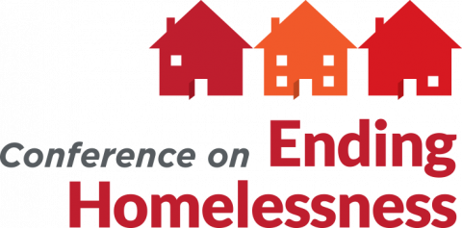
 |  | Instructions: | To receive an invoice for your conference registrations, please complete the following info for each attendee and return to Tanya Quaife at tanyaq@wliha.org. If you're using this form, you do NOT need to complete the online registration form.

 |  |  |  | Entity to be invoiced for this group registration:
 |  |  |  | Billing address:
 |  |  |  | Billing contact name:

*Required
Registration type* | First name* | Last name* | Email* | Employer | Position | Gender pronouns | Any accessibility accomodation requests or questions regarding accessibility? | Does this attendee have personal experience of homelessness? | Is this attendee a board member of an affordable housing or homelessness organization? | Is this attendee an elected official who we can recognize in our welcome plenary? | Is this attendee a member of the Resident Action Project? | Notes (if 1-day registration, please indicate which day – Oct 6, 7, or 8)

Should I register at the member rate or the nonmember rate? Organizations and agencies that belong to the Housing Alliance receive a discount on conference registration! To confirm that your organization is a member of the Housing Alliance, check here: wliha.org/about-us/member-organizations. (If you believe your dues are current but don’t see your organization on the list, please contact Itzchel Bazan at itzchelb@wliha.org to confirm.) What about the other discounted registration types? These are for conference speakers (those presenting during a breakout session or a plenary),members of the program committee or equity committee (who advised on the development of this year's conference), and groups that are sponsoring the conference. If you're not sure if someone you're registering is in one of these groups, make your best guess and just let Angela know when you email over this form. We are happy to double check for you.

